Sheet1
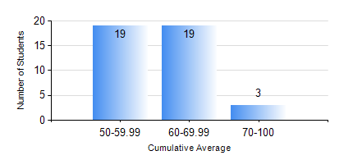
 |  |  | KWAME NKRUMAH UNIVERSITY OF SCIENCE AND TECHNOLOGY, KUMASI Department of Mechanical Engineering

 |  |  | BSC. AUTOMOBILE ENG.

 |  |  | COMPREHENSIVE RECORD OF EXAMINATION RESULTS

 |  |  | RESULTS OF YEAR 1 SECOND SEMESTER, 2019/2020 ACADEMIC YEAR

 | Sn | Course Code |  | Course Name | Credit Hours | Min. Mark | Max. Mark | Avg. Mark | Std. Dev. | No. Passed | No. Trailed | No. (Df) | No. (I) | No. (I*) | No. Tagged(I,I*,Df) | Total
 | 1. | EE 152 |  | BASIC ELECTRONICS | 2 | 40 | 89 | 55 | 13.21 | 41 | 0 | 0 | 0 | 0 | 0 | 41
 | 2. | ENGL 158 |  | COMMUNICATION SKILLS II | 2 | 40 | 80 | 60 | 8.18 | 40 | 0 | 0 | 1 | 0 | 1 | 41
 | 3. | MATH 152 |  | CALCULUS WITH ANALYSIS | 4 | 43 | 91 | 67 | 13.3 | 41 | 0 | 0 | 0 | 0 | 0 | 41
 | 4. | ME 160 |  | ENGINEERING DRAWING | 3 | 40 | 75 | 58 | 9.29 | 40 | 0 | 0 | 1 | 0 | 1 | 41
 | 5. | ME 164 |  | STATICS OF SOLID MECHANICS | 2 | 42 | 70 | 54 | 7.88 | 41 | 0 | 0 | 0 | 0 | 0 | 41
 | 6. | ME 172 |  | MEASUREMENT AND INSTRUMENTATION | 2 | 42 | 86 | 57 | 11.48 | 41 | 0 | 0 | 0 | 0 | 0 | 41
 | 7. | ME 266 |  | THERMODYNAMICS | 2 | 40 | 84 | 60 | 12.13 | 39 | 0 | 0 | 2 | 0 | 2 | 41

